Sheet1
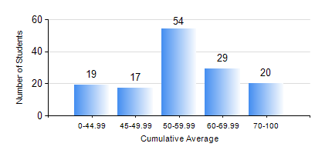
 |  |  | KWAME NKRUMAH UNIVERSITY OF SCIENCE AND TECHNOLOGY, KUMASI Department of Geomatic Engineering

 |  |  | BSC. GEOMATIC ENG.

 |  |  | COMPREHENSIVE RECORD OF EXAMINATION RESULTS

 |  |  | RESULTS OF YEAR 1 FIRST SEMESTER, 2024/2025 ACADEMIC YEAR

 | Sn | Course Code |  | Course Name | Credit Hours | Min. Mark | Max. Mark | Avg. Mark | Std. Dev. | No. Passed | No. Trailed | No. (Df) | No. (I) | No. (I*) | No. Tagged(I,I*,Df) | Total
 | 1. | ENGL 157 |  | COMMUNICATION SKILLS I | 2 | 0 | 82 | 60 | 14.43 | 134 | 5 | 0 | 0 | 0 | 0 | 139
 | 2. | GE 151 |  | CARTOGRAPHY I | 3 | 0 | 86 | 61 | 12.72 | 135 | 4 | 0 | 0 | 0 | 0 | 139
 | 3. | GE 161 |  | BASIC SURVEY PRINCIPLES I | 3 | 0 | 92 | 69 | 15.82 | 136 | 3 | 0 | 0 | 0 | 0 | 139
 | 4. | GE 171 |  | APPLIED OPTICS | 2 | 0 | 97 | 60 | 19.14 | 129 | 10 | 0 | 0 | 0 | 0 | 139
 | 5. | MATH 151 |  | ALGEBRA | 4 | 0 | 93 | 52 | 16.02 | 134 | 5 | 0 | 0 | 0 | 0 | 139
 | 6. | ME 159 |  | TECHNICAL DRAWING | 2 | 0 | 90 | 48 | 21.81 | 106 | 33 | 0 | 0 | 0 | 0 | 139
 | 7. | ME 161 |  | BASIC MECHANICS | 3 | 0 | 94 | 44 | 16.81 | 107 | 32 | 0 | 0 | 0 | 0 | 139

